Model
Location Id | Nodes | Supply/Demand | Location |  |  | From | To | Unit Cost
0 | Bonbon Borough | 225 | warehouse |  |  | 0 | 5 | $33
1 | Butter Rum Reef | 315 | warehouse |  |  | 0 | 6 | $32
2 | Candyfloss Countryside | 360 | warehouse |  |  | 0 | 8 | $31
3 | Chocolate Chip Cliffs | 136 | retail |  |  | 1 | 6 | $45
4 | Frozen Fudge Fjords | 250 | retail |  |  | 1 | 8 | $28
5 | Gingerbread Glades | 204 | retail |  |  | 2 | 5 | $33
6 | Jellybean Jungle | 113 | retail |  |  | 5 | 3 | $39
7 | Meringue Mountains | 113 | retail |  |  | 5 | 4 | $34
8 | Peanut Butter Parlor | 184 | retail |  |  | 5 | 6 | $48
 |  |  |  |  |  | 5 | 7 | $28
 |  | Totals |  |  |  | 5 | 8 | $32
 |  | 900 | warehouse |  |  | 6 | 4 | $34
 |  | 1000 | retail
 |  |  |  | Total Transportation Cost -> |  |  | $43,195.00

Ship | From |  | To |  | Unit Cost | Nodes |  | Inflow | Outflow | Net Flow | Supply/Demand
0 | 0 | Bonbon Borough | 5 | Gingerbread Glades | $33 | 0 | Bonbon Borough | 0 | 225 | -225 | -225
225 | 0 | Bonbon Borough | 6 | Jellybean Jungle | $32 | 1 | Butter Rum Reef | 0 | 315 | -315 | -315
0 | 0 | Bonbon Borough | 8 | Peanut Butter Parlor | $31 | 2 | Candyfloss Countryside | 0 | 360 | -360 | -360
131 | 1 | Butter Rum Reef | 6 | Jellybean Jungle | $45 | 3 | Chocolate Chip Cliffs | 36 | 0 | 36 | 136
184 | 1 | Butter Rum Reef | 8 | Peanut Butter Parlor | $28 | 4 | Frozen Fudge Fjords | 250 | 0 | 250 | 250
360 | 2 | Candyfloss Countryside | 5 | Gingerbread Glades | $33 | 5 | Gingerbread Glades | 360 | 156 | 204 | 204
36 | 5 | Gingerbread Glades | 3 | Chocolate Chip Cliffs | $39 | 6 | Jellybean Jungle | 356 | 243 | 113 | 113
7 | 5 | Gingerbread Glades | 4 | Frozen Fudge Fjords | $34 | 7 | Meringue Mountains | 113 | 0 | 113 | 113
0 | 5 | Gingerbread Glades | 6 | Jellybean Jungle | $48 | 8 | Peanut Butter Parlor | 184 | 0 | 184 | 184
113 | 5 | Gingerbread Glades | 7 | Meringue Mountains | $28
0 | 5 | Gingerbread Glades | 8 | Peanut Butter Parlor | $32 | Nodes |  | Inflow | Outflow | Net Flow | Supply/Demand
243 | 6 | Jellybean Jungle | 4 | Frozen Fudge Fjords | $34 | 1 | Newark | 0 | 200 | -200 | -200
 |  |  |  |  |  | 2 | Boston | 120 | 20 | 100 | 100
Ship | From |  | To |  | Unit Cost | 3 | Columbus | 60 | 0 | 60 | 60
120 | 1 | Newark | 2 | Boston | 30 | 4 | Richmond | 80 | 0 | 80 | 80
80 | 1 | Newark | 4 | Richmond | 40 | 5 | Atlanta | 210 | 40 | 170 | 170
20 | 2 | Boston | 3 | Columbus | 50 | 6 | Mobile | 70 | 0 | 70 | 70
0 | 3 | Columbus | 5 | Atlanta | 35 | 7 | Jacksonville | 0 | 280 | -280 | -300
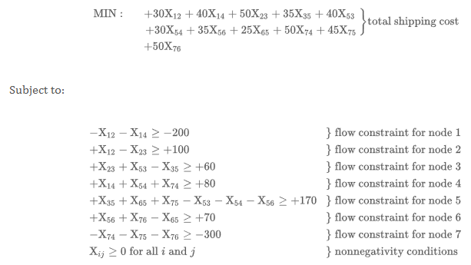
40 | 5 | Atlanta | 3 | Columbus | 40
0 | 5 | Atlanta | 4 | Richmond | 30
0 | 5 | Atlanta | 6 | Mobile | 35
0 | 6 | Mobile | 5 | Atlanta | 25
0 | 7 | Jacksonville | 4 | Richmond | 50
210 | 7 | Jacksonville | 5 | Atlanta | 45
70 | 7 | Jacksonville | 6 | Mobile | 50

